India Road
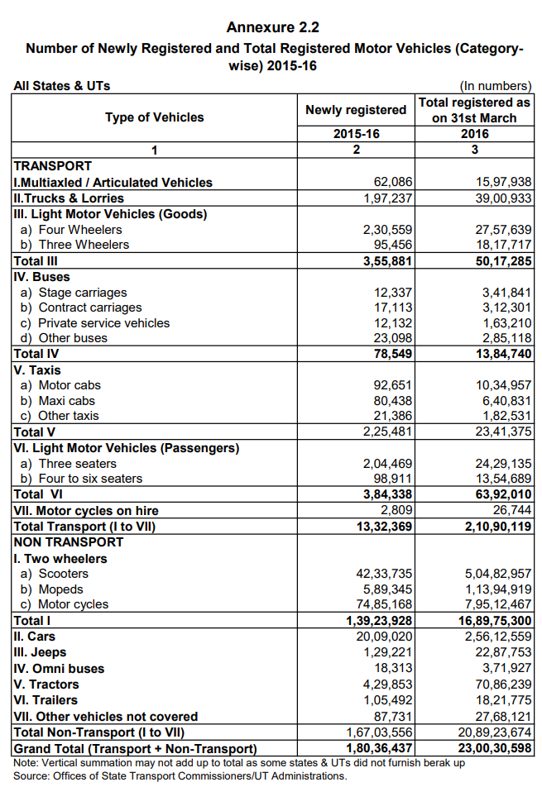
 |  |  |  |  |  |  |  |  | Passenger Vehicle Breakdown by Technology (Vehicle KM)
 |  |  |  |  |  |  |  |  | Vehicle Km by type of Vehicle under Chosen Scenario
 |  |  |  |  |  |  |  |  | Mode | Sub-mode | Technology | 2007 | 2017
 |  |  |  |  |  |  |  |  | ROAD | BUS | DIESEL |  | 120.13
 |  |  |  |  |  |  |  |  |  |  | CNG |  | 1.66
 |  |  |  |  |  |  |  |  |  |  | ELECTRIC |  | 0.57
 |  |  |  |  |  |  |  |  |  |  | FCV |  | 0.19 | (excluded)
 |  |  |  |  |  | Number from table | EPS Classification |  |  | ONMI-BUS | DIESEL |  | 11.68
 |  |  |  |  |  | 1597938 | Frgt HDV | heavy 3+ axle truck |  |  | CNG |  | 0.16
 |  |  |  |  |  | 3900933 | Frgt HDV | heavy 2-axle truck |  | CAR | PETROL |  | 132.95
 |  |  |  |  |  | 2757639 | Frgt LDV | light truck |  |  | DIESEL |  | 41.81
 |  |  |  |  |  | 1817717 | Frgt Mtrbk | frgt rickshaws |  |  | CNG |  | 4.92
 |  |  |  |  |  | 5017285 | not used |  |  |  | LPG |  | 4.92
 |  |  |  |  |  | 341841 | not used |  |  |  | ELECTRIC |  | 3.57
 |  |  |  |  |  | 312301 | not used |  |  |  | FCV |  | 1.18
 |  |  |  |  |  | 163210 | not used |  |  | 2W | PETROL |  | 68.70
 |  |  |  |  |  | 285118 | not used |  |  |  | PETROL |  | 543.71
 |  |  |  |  |  | 1384740 | Psgr HDV | buses |  |  | PETROL |  | 2.89
 |  |  |  |  |  | 1034957 | not used |  |  |  | ELECTRIC |  | 25.33
 |  |  |  |  |  | 640831 | not used |  |  | 3W | CNG |  | 19.53
 |  |  |  |  |  | 182531 | not used |  |  |  | LPG |  | 14.96
 |  |  |  |  |  | 2341375 | Taxi | taxis |  |  | PETROL |  | 69.08
 |  |  |  |  |  | 2429135 | not used |  |  |  | DIESEL |  | 63.30
 |  |  |  |  |  | 1354689 | not used |  |  |  | ELECTRIC |  | 5.83
 |  |  |  |  |  | 6392010 | Frgt Mtrbk | psgr rickshaws |  | TAXI | CNG |  | 1.95
 |  |  |  |  |  | 26744 | Psgr Mtrbk | hired 2-whl mtrbks |  |  | LPG |  | 1.15
 |  |  |  |  |  | 21090119 | not used |  |  |  | DIESEL |  | 64.71
 |  |  |  |  |  | 50482957 | not used |  |  |  | ELECTRIC |  | 2.19
 |  |  |  |  |  | 11394919 | not used
 |  |  |  |  |  | 79512467 | not used
 |  |  |  |  |  | 168975300 | Psgr Mtrbk | 2-whl motorbikes | Freight Vehcile Breakdown by Technology ("Modal Share")
 |  |  |  |  |  | 25612559 | Psgr LDV | cars | Mode | Type | Technology | 2007 | 2017
 |  |  |  |  |  | 2287753 | not used |  | ROAD | HCV | DIESEL | 91% | 90.3%
 |  |  |  |  |  | 371927 | Psgr HDV | omnibuses |  | LCV | DIESEL | 9% | 9.7%
 |  |  |  |  |  | 7086239 | not used
 |  |  |  |  |  | 1821775 | not used |  | Source: IESS
 |  |  |  |  |  | 2768121 | not used
 |  |  |  |  |  | 208923674 | not used
 |  |  |  |  |  | 230030598 | not used

Totals |  |  | Passenger Vehcile Technology Shares
 | Passenger | Freight |  | battery electric vehicle | natural gas vehicle | gasoline vehicle | diesel vehicle | plugin hybrid vehicle | LPG vehicle | hydrogen vehicle
LDVs | 29759632.919 | 3091878.5081 | LDVs | 1.90% | 2.62% | 70.65% | 22.22% | 0.00% | 2.62% | 0.00%
HDVs | 1963849.7565 | 6177534.8827 | HDVs | 0.43% | 1.36% | 0.00% | 98.21% | 0.00% | 0.00% | 0.00%
motorbikes | 189358987.84 | 8707670.3419 | motorbikes | 3.95% | 0.00% | 96.05% | 0.00% | 0.00% | 0.00% | 0.00%
taxis | 2720480.2349 |  | taxi | 3.13% | 2.78% | 0.00% | 92.45% | 0.00% | 1.65% | 0.00%

 |  |  | Freight Vehicle Technology Shares
 |  |  |  | battery electric vehicle | natural gas vehicle | gasoline vehicle | diesel vehicle | plugin hybrid vehicle | LPG vehicle | hydrogen vehicle
 |  |  | LDVs | 0.00% | 0.00% | 0.00% | 100.00% | 0.00% | 0.00% | 0.00%
 |  |  | HDVs | 0.00% | 0.00% | 0.00% | 100.00% | 0.00% | 0.00% | 0.00%
 |  |  | motorbikes | 3.38% | 11.31% | 40.00% | 36.65% | 0.00% | 8.66% | 0.00%

